Start
 |  | A-Series BOM

Pre Application Site Survey
CoverSheet
Bill Of Material
Picking Slip

Nu-Pure Beverages (STAPYLTON) | DA190722.03 | LPA - Label Printer Applicator

Quote Number: | DA190722.03

PASS
Pre Application Site Survey (PASS)
Evolabel Systems

 | Label Applicator Type

 | Printhead Type

 | Applicator Type

 | Application of Label

 | Label Orientation

 | Applicator Orientation

 | Label Information

 | Product substrate

 | Label Information
 |  |  |  | Label Material Type

 |  |  |  | Estimated Labels pa

 |  |  |  | Estimated Ribbon

 | Label Sizes
 |  |  |  |  |  |  | Maximum |  |  |  | Minimum

 | Carton |  |  | Direct Thermal

 |  |  |  | Thermal Transfer

 |  |  |  |  |  |  | Maximum |  |  |  | Minimum

 | Pallet |  |  | Direct Thermal

 |  |  |  | Thermal Transfer

 | Carton / Product Sizes (mm)

 | Process Information

 | Line speed |  |  |  |  |  |  | m/min

 | Distance Applicator - Product |  |  |  |  |  |  | mm

 | Throughput |  |  |  |  |  |  | products / minute

 | Product Pitch / Gap (Front apply)

 | Temperature Range |  |  |  |  |  |  | celcius

 | Environment

 | Distance Applicator - CIM |  |  |  |  |  |  | mm

 | Distance CIM - Verification Scanner |  |  |  |  |  |  | mm

 | Distance CIM - Induct Scanner |  |  |  |  |  |  | mm

 | Carton System
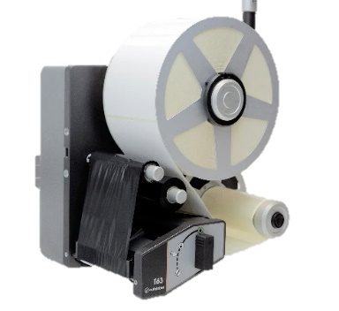

1. Select & Place Machine --->

2. Select & place Label onto carton --->



3. Confirm Travel Direction--->



Height to label

 |  |  |  | Height 2 Lbl
 |  |  |  | Min | Max
 |  |  |  |  | 0 | mm
 |  |  |  |  |  |  |  |  |  |  |  |  |  | Conv Height
 |  |  |  |  |  |  |  |  |  |  |  |  |  | Min | Max
Conveyor Height
 |  |  |  |  |  |  |  |  |  |  |  |  |  |  | 0 | mm
4. Fill in measurements --->

Conveyor width
 |  |  |  | Applicator-Label Distance
 |  |  |  | Min |  | Max |  |  |  |  |  |  | Conv Width
 |  |  |  |  |  | 0 |  |  |  |  |  |  | Min | Max
 |  |  |  |  |  |  |  |  |  |  |  |  |  | 0 | mm

 | Pallet System

1. Select & Place Machine --->

2. Select & Place Label onto pallet --->

3. Confirm Travel Direction--->

4. Fill in measurements --->

Height to Label

Height to label
Min | Max
 | 0 | mm

Distance to applicator
Stroke Length
 | Applicator Distance
 | Min | Max |  |  |  |  |  | Stroke Lth
 |  | 0 | mm |  |  |  |  | Min | Max
 |  |  |  |  |  |  |  |  | 0 | mm

 | Photos & Diagrams

 | Label Sample |  |  |  |  |  | Label Sample |  |  |  |  | Label Sample

 | Production Line 1 |  |  |  |  |  | Production Line 1 |  |  |  |  | Production Line 1

 | Production Line 2 |  |  |  |  |  | Production Line 2 |  |  |  |  | Production Line 2

 | Additional Comments

Bill Of Material

Authorisation
Special Price Authorisation Form

 |  |  | Example Answers
Customer Purchase Date: |  |  | 2014-04-03
Current Matthews Model Quoted: |  |  | CJ400e
Current Quoted Price & Discount: | $ | % | $13,500 (12% discount)
Price Required (to secure the business): |  |  | $12,700
Competitor Name: |  |  | Tronics
Competitor Model: |  |  | 1220
Competitor Total Installed Price: | $ |  | $12,000 (what does this include).
Customer Future Potential: |  |  | 2 more CIJ required in next 3 months.

Competitors Warranty Offering |  |  | 12 months onsite / back to base?

Arguments Already Used With The Customer |  |  | COO (we are 500 cheaper pa etc.)

Cover
Print Project
Project Summary

Capital Assembly Details

Select which Product | A-Series

Current Date | 2018-01-01
Representative | David Alexander
Company Name | Nu-Pure Beverages (STAPYLTON)
Customer Type | Existing Customer
Add Weeks | 16 Weeks |  | 112
Delivery Date Req'd | Feb 2020 to be confirmed
Quote Number | DA190722.03
PO Number | 1014
Authorisation

 | % Split
Territory 1 | 75% | QLD S
Territory 2 | 25% | NSW W

Customer Details

Customer Account on Nexus? |  | Yes
ERP Code |  | C02662

Dispatch Address |  | 327-335 Burley Road Horsley Park NSW
Account Contact Person Details
 | Name | Bruce Taylor
 | Title | Operations Manager
 | Phone No’s | 0411 441 885
 | Email | bruce.taylor@nu-pure.com.au

Consumables Forecast

Label Usage pa.
Ribbon Usage pa.
 | 1
 |  | NO FORECAST PROVIDED, PLEASE COMPLETE

Comments / Clarifications / Important Notes / Verbal Commitments
Payment Terms 20% Net 30 days from Purchase order acceptance 20% Net 30 days from Submission of Certified Drawings 50% Net 30 days from On-site Delivery 10% After completion of system acceptance and sign off by Plant Manager within 30days of Installation.

Additional Supporting Documentation

Document Number | Location | Document Name / Description
1 | CRM
2 | CRM
3 | CRM
4 | CRM
5 | CRM
6 | CRM
7 | CRM

Special Payment Terms

Authorised By | Terms % | Terms
 | 45% | Security Deposit |  | 45%
 | 50% | Prior to Goods Dispatch |  | 50%
 | 5% | 30 days From Dispatch |  | 5%

 | 100%

Project Summary

Alert Checklist

Consumables: | No Forecast Provided, Please Complete
Consumables: | You Have Not Selected Any Label or Ribbons
Final Price:
Dute Date:
Authorisation: | No Special Authorisation Requested Outside Normal Discount

Capital Issue

IDS Upgrade:
Custom Parts: | Error: Please select PGError: Please select PGError: Please select PGError: Please select PG
Custom Capital:

Bracketry 1: | Please Check Do You Jbox Plate
Bracketry 2: | Please Check Do You Need Base Plate & Pivot Base

Mperia Admin:
File Version: | Autolabel v9.0
Leadtime | #VALUE! | #VALUE!
CTO Serial # | 0

Payment Terms
Payment Error

Financial Review

Marking Station

Capital Assembly | ACode | Qty | Revenue
Marking Station 43 Series | 23030003 |  | -
Marking Station 63 Series | 23010008 | Not Required Yet | TBA
Datacapture Assembly | 10030001 |  | -
Engineering Assembly | 99030001 |  | -
IDSnet Enterprise | 12080009 |  | -
IMP01 | 14030006 |  | -
iDSnet Express | 12080017 |  | -
IDSnet Install (Onsite) | 12080050 |  | -
Assy Datamax | 07030001 |  | -

Installation | 99990132 |  | -
QC | 12080014 |  | -
Project Management | 12080015 |  | -

Final Agreed Price | $- |  | $-
 |  | Variance | $-

A-Series

Capital Assembly | ACode | Qty | Revenue

Carton Assembly | 23030002 | 2 | 43,197
Pallet 43 Assembly | 23030001 | 3 | 69,327
Pallet 63 Assembly | 23030004 |  | -

PG Assembly | ACode | Qty | Revenue
Datacapture Assembly | 10030001 | 1 | 27,300
Engineering Assembly | 99030001 | 1 | 10,940
IDSnet Enterprise | 12080009 | 1 | 21,950
IMP01 | 14030006 | 1 | 100
iDSnet Express | 12080017 |  | -
IDSnet Install (Onsite) | 12080050 | 1 | 20,000
Assy Datamax | 07030001 | 1 | 2,400

Implementation | ACode | Qty | Revenue
Installation | 99990132 |  | -
QC | 12080014 | 1 | 4,900
Travel & Accomodation | 99990167 |  | -
Essential Service Pgk | 99990166 |  | -
Project Management | 12080015 | 1 | 14,401

Final Agreed Price | $214,515 |  | $331,421
 |  | Variance | $116,906
 |  |  | Please check alert checklist above for possible reasons

Spare Parts

Final Agreed Price | $-

Marking Station, A-Series & Spare Parts

Grand Total | $331,421

Report Error / Omission
Project Summary

Project Manager: CHOP Feedback

Bill Of Material
Picking Slip

Picking Slip
Picking Slip

For A-Series Models Only - Excludes Parts & MS

Picking List Summary

Assembly2 | Matthews# | Supplier# | Product Description | Quantity Required.
 | (blank) | (blank) | (blank)
Total
Grand Total

A-Series
A-Series: Bill Of Materials

System |
Accessories |
Implementation |
Intergration |
Custom

 | System

 |  | Supplier Part # | Matthews # | Description | Quantity | Price Each | Price

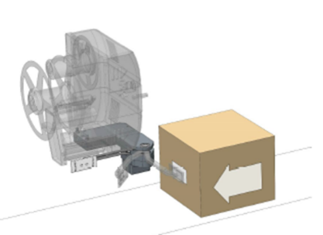
 | Carton Systems
 |  | A100001 | 23010001 | D43 LPA
 |  | K102250, A100536 | 23020235, 23020270 | E-Wipe 90 Applicator G2 250 (Repeater) - L→R | 0
 |  | K103250, A100536 | 23020224, 23020270 | E-Wipe 90 Applicator G2 250 (Repeater) - R→L
 |  | TBA | 23020047 | Applicator Plate 104mm X 55mm | 0
 |  | K100130 | 23020177 | Mini-panel with 4 buttons & Holder that allow mounting - Status beacon & chassis. | 0
 |  | K100005 | 23020017 | Color touch screen 12” with 1.8 m cabling and ergonomic holder that suits all Autolabel stands
 |  | A100248 | 23020016 | Column (aluminum 1500mm) | 0
 |  | A100248 | 23020016 | Column (aluminum 1500mm)
 |  | 23020095 | 23020095 | Min Wireless N Usb Adap 300Mbs | 0
 |  | CLI 56P310-E0 | 13020122 | Plug 250V 10A 3F Pins | 0
 |  | 27021519-01_C-01 | 13020148 | Base Plate 1 | 0
 |  | A100367 | 23020014 | H-Foot with adjustable rubber feet and built in wheels for convenient relocation of the system.
 |  | A100141 | 23020009 | Tube Holder - Mounting arm | 0
 |  | P101566 | 23020225 | Holder tube D51 L560 | 0
 |  | 20091604 | 13080192 | JBox Assy | 0
 |  | 15011615 | 13080193 | JBox Holding Plate 4mm 304 2B | 0
 |  | 5612B162MATTHEWS | 13120079 | Air Regulator Assembly | 0

 |  | A100001 | 23010001 | D43 LPA

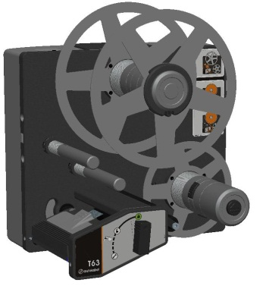
 |  | A100047 | 23010003 | T43 LPA | 2 | $19,365.00 | $38,730
 |  | A100180 | 23020023 | Tamp Applicator (Side Apply) | 2 | $4,142.00 | $8,284
 |  | A100261 | 23020039 | Belt Applicator - Upto 40M/Min Fixed Speed
 |  | AP110050 | 23020030 | Applicator Pad 110X50 | 2 | $895.00 | $1,790
 |  | K100130 | 23020177 | Mini-panel with 4 buttons & Holder that allow mounting - Status beacon & chassis. | 2 | $1,250.00 | $2,500
 |  | K100005 | 23020017 | Color touch screen 12” with 1.8 m cabling and ergonomic holder that suits all Autolabel stands
 |  | 23020095 | 23020095 | Min Wireless N Usb Adap 300Mbs | 2 | $59.00 | $118
 |  | CLI 56P310-E0 | 13020122 | Plug 250V 10A 3F Pins | 2 | $32.00 | $64
 |  | A100291, C100106 | 23020022, 23020211 | Vertical Motorized Column (Adjustable from 1050 to 1500mm.) - Select Height Extension/Pivot Base if required | 2 | $3,900.00 | $7,800
 |  | A100248 | 23020016 | Column (aluminum 1500mm)
 |  | 27021519-01_C-01 | 13020148 | Base Plate 1
 |  | A100367 | 23020014 | H-Foot with adjustable rubber feet and built in wheels for convenient relocation of the system.
 |  | A100141 | 23020009 | Tube Holder - Mounting arm | 2 | $560.00 | $1,120
 |  | P101566 | 23020225 | Holder tube D51 L560 | 2 | $331.00 | $662
 |  | 20091604 | 13080192 | JBox Assy | 2 | $460.00 | $920
 |  | 15011615 | 13080193 | JBox Holding Plate 4mm 304 2B | 2 | $105.00 | $210
 |  | 5612B162MATTHEWS | 13120079 | Air Regulator Assembly | 2 | $310.00 | $620

 |  | A100047 | 23010003 | T43 LPA

 | Pallet Systems
 |  | A100001 | 23010001 | D43 LPA

 |  | A100047 | 23010003 | T43 LPA | 3 | $19,365.00 | $58,095
 |  | A100501 | 23020173 | E-Tamp Applicator 650 G2 | 3 | $5,200.00 | $15,600
 |  | A100511 | 23020145 | FLEX-MOUNT 2X COMPL | 3 | $899.00 | $2,697
 |  | 0 | 0 | Please select
 |  | AP110140 | 23020123 | Applicator Pad 110X140 | 3 | $895.00 | $2,685
 |  | K100130 | 23020177 | Mini-panel with 4 buttons & Holder that allow mounting - Status beacon & chassis. | 3 | $1,250.00 | $3,750
 |  | K100005 | 23020017 | Color touch screen 12” with 1.8 m cabling and ergonomic holder that suits all Autolabel stands
 |  | A100291, C100106 | 23020022, 23020211 | Vertical Motorized Column (Adjustable from 1050 to 1500mm.) - Select Height Extension/Pivot Base if required | 3 | $3,900.00 | $11,700
 |  | A100248 | 23020016 | Column (aluminum 1500mm)
 |  | 23020095 | 23020095 | Min Wireless N Usb Adap 300Mbs | 3 | $59.00 | $177
 |  | CLI 56P310-E0 | 13020122 | Plug 250V 10A 3F Pins | 3 | $32.00 | $96
 |  | 27021519-01_C-01 | 13020148 | Base Plate 1 | 3 | $240.00 | $720

 |  | A100367 | 23020014 | H-Foot with adjustable rubber feet and built in wheels for convenient relocation of the system.
 |  | A100141 | 23020009 | Tube Holder - Mounting arm | 3 | $560.00 | $1,680
 |  | P101566 | 23020225 | Holder tube D51 L560 | 3 | $331.00 | $993
 |  | 20091604 | 13080192 | JBox Assy | 3 | $460.00 | $1,380
 |  | 15011615 | 13080193 | JBox Holding Plate 4mm 304 2B | 3 | $105.00 | $315
 |  | 5612B162MATTHEWS | 13120079 | Air Regulator Assembly | 3 | $310.00 | $930

 |  | A100048 | 23010004 | T63 LPA

 |  | K100113 | 23010007 | T63 LPA Flexiwipe
 |  | #N/A | #N/A | Applicator Plate 150X210 | 0
 |  | K100111 | 23020222 | Flexwipe Scanner Kit | 0
 |  | 23020095 | 23020095 | Min Wireless N Usb Adap 300Mbs | 0
 |  | CLI 56P310-E0 | 13020122 | Plug 250V 10A 3F Pins | 0

 | Custom Configurations - Capital LPA's
 |  | Assembly Type | Matthews # | Product Description (pls add supplier# into description) | Qty | Unit Price | Total Price
 |  |  | 23020006 | Status Beacon
 |  |  |  | Custom Applicator Pad - Approved by Product Mgr |  |  | $0
 |  |  |  |  |  |  | $0
 |  |  |  |  |  |  | $0
 |  |  |  |  |  |  | $0

 |  |  |  |  |  | SubTotal | $163,636

 | Accessories

 | Photoeyes - Carton
 |  | 6033180 | 11060156 | Reflective Sensor WL8-P2131 | 2 | $225.00 | $450
Reflective Sensor WL8-P2131 1 x M8 3PIN 5M CABLE |  | 6025889 | 11020007 | 1 x M8 3PIN 5M CABLE | 2 | $20.00 | $40
Reflective Sensor WL8-P2131 BRACKET PE SENSOR ASSY |  | 13120085 KIT | 13120085 | BRACKET PE SENSOR ASSY | 2 | $26.00 | $52
Reflective Sensor WL8-P2131 BRACKET PE REFLECTOR ASSY |  | 13120086 KIT | 13120086 | BRACKET PE REFLECTOR ASSY | 2 | $34.00 | $68

 | Photoeyes - Pallet
 |  | 1025896 | 11060159 | Proximity Sensor PNP Long Range 600MM
 |  | 11060038 | 11060038 | Cable 4 PIN M12 5M | 0

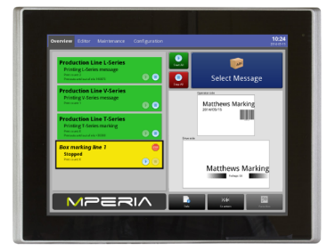
 | Controllers
 |  | 41057665, 41039350 | 14010025, 14020062 | 7D ViaExtend Enclosed (5 ports)
 |  | 41057665, 41039350 | 14010025, 14020062 | 7D ViaExtend Enclosed (5 ports)
 |  | 41057665, 41039351 | 14010025, 14020096 | 7D ViaExtend Enclosed (8 ports)
 |  | 41204972 | 14010013 | Mperia 12” ViaAdvanced (IP40)
 |  | 41057666, 41039350 | 14010024, 14020062 | 12” ViaAdvanced Enclosed (5 ports)
 |  | 41057666, 41039351 | 14010024, 14020096 | 12” ViaAdvanced Enclosed (8 ports)
 |  | 41044264 | 14020074 | Mperia 15” ViaAdvanced Plus (IP65)
 |  | R15IB3S-65C3/PT/W8, 20191602 | 12990026, 10020146 | PANEL PC 15" IP65 SS TFT (inc 12v Power supply) | 1 | $4,358.00 | $4,358
 |  | 20191603 | 10020147 | Power Supply 24V | 0
 |  | 133951.01 | 14020069 | PCM Wall Mount Vesa 75/100 | 1 | $100.00 | $100
 |  | A100046 | 23020126 | Holder Touch Screen Compl.
 |  | 20091601 | 10020145 | Circuit Breaker | 0

 | Mperia Software
 |  | 41204998, 41039404 | 14020055, 14020054 | ViaPortal
 |  | 41204999 | 14020043 | ViaSelect
 |  | 41039404 | 14020054 | ViaConnect
 |  | 41039403 | 14020053 | ViaEdit
 |  | 41039405 | 14020056 | ViaBase
 |  | 41205000 | 14020099 | ViaPlugin

 |  | PLEASE CHECK DO YOU JBOX PLATE
 | Bracketry | PLEASE CHECK DO YOU NEED BASE PLATE & PIVOT BASE
 |  | TSM-92153-A-002/01 | 13090046 | Pivot Base | 2 | $990.00 | $1,980
 |  | F3S-TGR-NSPR-21-0 | 13120076 | Magnetic Swich | 2 | $230.00 | $460
 |  | MCA-1705024 | 13090047 | Height Extension Base | 0
 |  | P101858 | 23020240 | Stand Welded Base 1500

 |  | A100161 | 23020065 | Adjustable Label Guide Kit
 |  | SC03 | 99990149 | Sata Clean Alcohol Wipes (50)

 |  |  |  |  |  | SubTotal | $7,508

 | Implementation |  |  | Please confirm the type of QC Required

 |  |  |  | Carton - Installation, commissioning & training |  | $1,900 | $0
 |  |  |  | Pallet - Installation, commissioning & training |  | $3,000 | $0
 |  |  |  | Additional - Installation |  |  | $0
 |  |  |  | Basic SSCC Setup 2 Applicator with CIM & Scanners |  | $2,520 | $0
 |  |  |  | QC Rate | 5 | $4,900

 |  |  |  | Onboard Database Creation |  | $700 | $0
 |  |  |  | Number of label formats creation |  | $350 | $0

 |  |  | 99990167 | Additional Travel Allowance - Rural Customers (Both Ways)
 |  |  | 99990167 | Additional Travel Allowance - Flights (Both ways) |  |  | $0
 |  |  | 99990167 | Accomodation Allowance - Per Day |  | $250 | $0
 |  |  | 99990167 | Presite visit including (Onsite inspection & travel to & from)
 |  |  |  | Special Discount (Approved by Service) | -1 |  | $0

 |  |  | 99990166 | Essential Service Package |  | $900 | $0

 |  |  |  |  |  |  | $0
 |  |  |  |  |  | SubTotal | $0

 | Consumables |  |  | You Have Not Selected Any Label or Ribbons

0 |  | M28-22 | 17190004 | LABEL TT 104X152MM
0 |  | M28-22 | 17190004 | LABEL TT 104X152MM
 |  | T57244ANM | 18210027 | RIBBON FE WAX 104X360M BLK CSI

 |  | #N/A | #N/A

 |  |  |  |  |  | SubTotal | $0.00

 | Systems Integration

 | iDSnet Express Software

 | iDSnet Enterprise: Software
 |  |  | 12080009 | Enterprise (Budget only) | 1 | $19,500 | $19,500
 |  |  | 12080050 | Enterprise (ERP Integration - SAP, JDE) | 1 | $15,000 | $15,000
 |  |  | 12080026 | Upgrade Enterprise V1 to V4
 |  |  | 12080050 | Upgrade Enterprise - Custom Business Logic |  |  | $0
 |  |  | 12080050 | IDSnet Installation - Enterprise Onsite | 1 | $5,000 | $5,000

 | iDSnet Enterprise: Drivers
 |  |  | 12080009 | Hardware Driver - Express/Enterprise - LPA
 |  |  | 12080009 | Hardware Driver - Express/Enterprise - CIJ
 |  |  | 12080009 | Hardware Driver - Enterprise - LAS
 |  |  | 12080009 | Hardware Driver - Express/Enterprise - SAP
 |  |  | 12080009 | Hardware Driver - Enterprise - VIS
 |  |  | 12080009 | Hardware Driver - Enterprise - VIS

 | iDSnet Controller Hardware
 |  | 12990013 | 12990013 | Mini CIM V2 | 1 | $4,430 | $4,430
 |  | 13080198 | 13080198 | CIM V7 Carton & Pallet | 1 | $7,950 | $7,950
 |  | LCE-302-BYG | 13080094 | Beacon B/A/G | 2 | $267 | $534
 |  | GM4130-BK-433K2 | 10040052 | CORDLESS HAND SCNR
 |  | GD4130-BK, 90G000008 | 10040032, 10020022 | Corded Hand Scanner & cable
 |  |  |  | Please refer install guide to check configuration
 | Fixed Scanners
 |  | 937600050 | 10020142 | Validation Scanner - Matrix 300N - LQL 9mm
 |  | 937600080 | 10040174 | Validation Scanner - Matrix 300N - LNS 16mm | 2 | $2,975 | $5,950
 |  | 30081706 | 13120099 | Validation Scanner - Matrix 300N Bracket (Pallet) | 2 | $350 | $700
 |  | 30081706 | 13120099 | Validation Scanner - Matrix 300N Bracket (Carton)
 |  | 93A051391 | 10020151 | CAB-ETH-M05 M12-IP67 ETH 10M | 2 | $317 | $634
 |  | 2070427 | 11060176 | CAB-GD05 M12 PWR I/O F/L 10M | 2 | $317 | $634

 |  | 6033180 | 11060156 | Reflective Sensor WL8-P2131
Reflective Sensor WL8-P2131 1 x M8 3PIN 5M CABLE |  | 6025889 | 11020007 | 1 x M8 3PIN 5M CABLE | 0
Reflective Sensor WL8-P2131 BRACKET PE SENSOR ASSY |  | 13120085 KIT | 13120085 | BRACKET PE SENSOR ASSY | 0
Reflective Sensor WL8-P2131 BRACKET PE REFLECTOR ASSY |  | 13120086 KIT | 13120086 | BRACKET PE REFLECTOR ASSY | 0

 |  | 0 | 10030004 | Induct Scanner DS5100 Kit (inc CBX and cables)
 |  | MCA-1101006 | 13090050 | Induct Scanner Pole (Oscillating Scanners) | 0

 | Manual Pallet Label Station
 |  | 12990013 | 12990013 | Mini CIM V2
 |  | 13080198 | 13080198 | CIM V7 Carton & Pallet
 |  | LCE-302-BYG | 13080094 | Beacon B/A/G | 0
 |  | MCA-1006014-0 | 13090020 | STAND - H W/TABEL FEET | 1 | $1,500 | $1,500
 |  | GM4130-BK-433K2 | 10040052 | CORDLESS HAND SCNR | 0
 |  | KD2004N00Y07 | 07010077 | SAP - Datamax DMX M4206 TT
 |  | 0 | 12080010 | Driver Licence Software | 0

 |  |  |  |  |  | SubTotal | $61,832

 | Custom Parts / CPM

 |  | Product Code / CPM# | PG | Description / CPM Description | Qty | Price (ea) | Price
 |  |  | Engineering Assembly | CPM | 1 | $7,000.00 | $7,000.00
 |  |  | IDSnet Enterprise | iDSnet | 1 | $2,000.00 | $2,000.00
 |  |  | Datacapture Assembly | PM9500 - p/n 10040158, 10040159, - DL p/n 15N120150N | 1 | $1,500.00 | $1,500.00
 |  |  | IDSnet Enterprise | iDSnet for PM9500 | 1 | $450.00 | $450.00
 |  | 12080009 | IDSnet Enterprise | Drivers |  | $11,000.00 | $0.00
 |  | 7010077 | Assy Datamax | M4206 | 2 | $1,200.00 | $2,400.00
 | Error: Please select PG |  |  | height extention base custom - Rakesh to supply quote | 3 |  | $0.00
 |  |  |  |  |  |  | $0.00
 | Error: Please select PG |  |  | inkjet | 3 | $10,745.00 | $32,235.00
 | Error: Please select PG |  |  | laser | 1 | $54,417.00 | $54,417.00
 |  |  |  |  | 1 | $4,504.00 | $4,504.00
 |  |  |  |  | 1 | $14,950.00 | $14,950.00
 | Error: Please select PG |  |  | install | 1 | $9,800.00 | $9,800.00
 | Error: Please select PG |  |  | delivery | 1 | $1,000.00 | $1,000.00
 |  |  |  |  |  |  | $0.00
 |  |  |  |  |  |  | $0.00
 |  |  |  |  |  |  | $0.00
 |  |  |  |  |  |  | $0.00
 |  |  |  |  |  |  | $0.00
 |  |  |  |  |  | SubTotal | $130,256

 |  |  |  |  |  | Grand Total | $363,232

 |  |  |  |  |  | Discount | 20%

 |  |  |  |  |  | Grand Total | $330,505

CoverSheet
 |  | Machine | -19.44% | -19.4401% |  | Final Price | $331,421
 |  | Total | -8.76% | -8.758%
 |  | No qualification

Marking Stations
Marking Stations - Bill Of Materials

Max | 10%
Min | 5%

System
Evolabel Part.No | Matt # | Part Name | Description | Quantity | List Price $A (ex GST) | Price
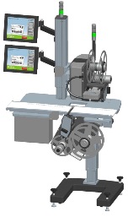 A100200 |  | D43 MARKING STATION LR PLUCK DT TAMP DT | This configuration print and apply products from above and from below. Two touch screens and two status beacons are included. The upper Print&Apply module is electrically adjusted in height. Production direction: From left to right Label apply from above: D43-tamp Label apply from below: D43-pluck Print technology: Direct thermal Conveyor belt width: 160 mm Conveyor height from the floor: 800 – 1200 mm Total width: 1050 mm +/- 20 mm Allowed product heights: 0 – 500 mm Maximum product : Specify on order Label dimensions from below (WxL mm): 49 x 49 to 118 x 240, specify on order, (max print width = 108 mm) Label dimensions from above (WxL mm): 20 x 20 to 118 x 240, (max print width = 108 mm) |  | $74,414 | $-

K100097 | 23010006 | T43 MARKING STATION LR PLUCK DT TAMP DT | This configuration print and apply products from above and from below. Two touch screens and two status beacons are included. The upper Print&Apply module is electrically adjusted in height. Production direction: From left to right Label apply from above: T43-tamp Label apply from below: T43-pluck Print technology: Direct thermal Conveyor belt width: 160 mm Conveyor height from the floor: 800 – 1200 mm Total width: 1050 mm +/- 20 mm Allowed product heights: 0 – 500 mm Maximum product : Specify on order Label dimensions from below (WxL mm): 49 x 49 to 118 x 240, specify on order, (max print width = 108 mm) Label dimensions from above (WxL mm): 20 x 20 to 118 x 240, (max print width = 108 mm) |  | $76,500 | $-

 A100199 |  | MARKING STATION LR PLUCK DT BLOW DT | This configuration print and apply products from above and from below. Two touch screens and two status beacons are included. The upper Print&Apply module is electrically adjusted in height. Production direction: From left to right Label apply from above: D43-blow Label apply from below: D43-pluck Print technology: Direct thermal Conveyor belt width: 160 mm Conveyor height from the floor: 800 – 1200 mm Total width: 1050 mm +/- 20 mm Allowed product heights: 0 – 500 mm Maximum product : Specify on order Label dimensions from below (WxL mm): 49 x 49 to 118 x 240, specify on order, (max print width = 108 mm) Label dimensions from above (WxL mm): 35 x 35 to 100 x 100 mm |  | $71,832 | $-

A100196 |  | MARKING STATION LR PLUCK DT | This configuration print and apply products from below. One touch screen and one status beacon is included. Production direction: From left to right Label apply from below: D43-pluck Print technology: Direct thermal Conveyor belt width: 160 mm Conveyor height from the floor: 800 – 1200 mm Total width: 1050 mm +/- 20 mm Allowed product heights: 0 – 500 mm Maximum product : Specify on order Label dimensions from below (WxL mm): 49 x 49 to 118 x 240, specify on order, (max print width = 108 mm) |  | $46,835 | $-

A100198 |  | MARKING STATION LR TAMP DT | This configuration print and apply products from above. One touch screen and one status beacon is included. The Print&Apply module is electrically adjusted in height. Production direction: From left to right Label apply from above: D43-tamp Print technology: Direct thermal Conveyor belt width: 160 mm Conveyor height from the floor: 800 – 1200 mm Total width: 1050 mm +/- 20 mm Allowed product heights: 0 – 500 mm Maximum product : Specify on order Label dimensions from above (WxL mm): 20 x 20 to 118 x 240, (max print width = 108 mm) |  | $51,235 | $-

A100197 |  | MARKING STATION LR BLOW DT | This configuration print and apply products from above. One touch screen and one status beacon is included. The Print&Apply module is electrically adjusted in height. Production direction: From left to right Label apply from above: D43-blow Print technology: Direct thermal Conveyor belt width: 160 mm Conveyor height from the floor: 800 – 1200 mm Total width: 1050 mm +/- 20 mm Allowed product heights: 0 – 500 mm Maximum product : Specify on order Label dimensions from above (WxL mm): 35 x 35 to 100 x 100 mm |  | $49,363 | $-

 |  | Options |  |  |  | $-
 | 14010013 |  | Mperia 12” ViaAdvanced (IP40) |  | $6,300 | $-
 | 14010024, 14020062 |  | 12” ViaAdvanced Enclosed (5 ports) |  | $8,250 | $-
 | 14010024, 14020096 |  | 12” ViaAdvanced Enclosed (8 ports) |  | $8,300 | $-
 | 14020074 |  | Mperia 15” ViaAdvanced Plus (IP65) |  | $9,100 | $-
 | 10020147 |  | Power Supply 24V | 0 | $105 | $-
 | 23020126 |  | HOLDER TOUCH SCREEN COMPL | 0 | $892 | $-
 | 10020145 |  | CIRCUIT BREAKER | 0 | $42 | $-
 | 23020095 |  | Min wireless USB | 0 | $50 | $-
 | 13020162 |  | Push button enclosure | 0 | $60 | $-
 | 13020163 |  | E-stop button | 0 | $77 | $-
 | 13020164 |  | Rotary Switch | 0 | $40 | $-
 | 13020165 |  | Push button | 0 | $60 | $-
 |  |  |  |  |  | $-

 |  | Implementation | Installation, Commissioning & Training | 0 | $1,900 | $-

Custom Parts / CPM

 | PG | Matthews # | Description & Supplier Part Number | Quantity | Price Each | Price
 |  |  | Conveyor - Guide Rails (CPM Required) |  |  | $0.00
 |  | 99990166 | Essential service plan |  | $900.00 | $0.00
 |  |  |  |  |  | $0.00
 |  |  |  |  |  | $0.00
 |  |  |  |  |  | $0.00
 |  |  |  |  |  | $0.00
 |  |  |  |  |  | $0.00
 |  |  |  |  |  | $0.00
 |  |  |  |  |  | $0.00
 |  |  |  |  |  | $0.00
 |  |  |  |  |  | $0.00
 |  |  |  |  |  | $0.00
 |  |  |  |  | SubTotal | $0

 |  |  |  |  | Grand Total | $0

 |  |  |  |  | Discount

 |  | 0 x 23030003 |  |  | Grand Total | $0
 | Assembly Code | 23030003 | 0
 | Machine |  | #DIV/0!
 | Total |  | #DIV/0! |  | Final Price
 |  | Qty

Install Guide
Installation Guide

 |  | Matthews # | Supplier # | Product Description |  |  |  | Detailed Information
 |  | 937600050 | 10020142 | Validation Scanner - Matrix 300N - LQL 9mm |  |  |  | Recommended for carton tamp applicator.
 |  | 937600080 | 10040174 | Validation Scanner - Matrix 300N - LNS 16mm |  |  |  | Recommended for pallet E-Tamp 650 & Above

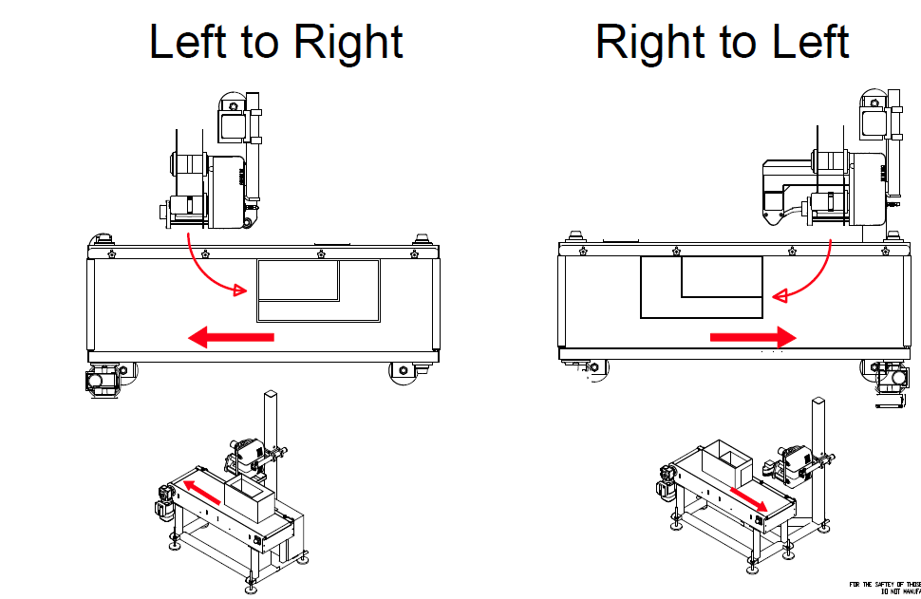

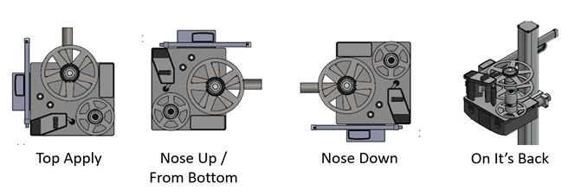

 | Customer Specific Applicator Pad Chart

 |  | Label Width | 30 - 39 mm | 40 - 54 mm | 55 - 69 mm | 70 - 84 mm | 85 - 99 mm | 100 - 114 mm | 115 - 134 mm | 135 - 154 mm | 155 - 176 mm
 | Label Length | Pad size | 36 | 50 | 65 | 80 | 95 | 110 | 130 | 150 | 170
 | 20 - 42 mm | 33 | 36 x 33 (AP036033) | 50 x 33 (AP050033) | 65 x 33 (AP065033) | 80 x 33 (AP080033) | 95 x 33 (AP095033) | 110 x 33 (AP110033) | 130 x 33 (AP130033) | 150 x 33 (AP150033) | 170 x 33 (AP170033)
 | 43 - 62 mm | 50 | 36 x 50 (AP036050) | 50 x 50 (AP050050) | 65 x 50 (AP065050) | 80 x 50 (AP080050) | 95 x 50 (AP095050) | 110 x 50 (AP110050) | 130 x 50 (AP130050) | 150 x 50 (AP150050) | 170 x 50 (AP170050)
 | 63 - 87 mm | 70 | 36 x 70 (AP036070) | 50 x 70 (AP050070) | 65 x 70 (AP065070) | 80 x 70 (AP080070) | 95 x 70 (AP095070) | 110 x 70 (AP110070) | 130 x 70 (AP130070) | 150 x 70 (AP150070) | 170 x 70 (AP170070)
 | 88 - 102 mm | 90 | 36 x 90 (AP036090) | 50 x 90 (AP050090) | 65 x 90 (AP065090) | 80 x 90 (AP080090) | 95 x 90 (AP095090) | 110 x 90 (AP110090) | 130 x 90 (AP130090) | 150 x 90 (AP150090) | 170 x 90 (AP170090)
 | 103 - 122 mm | 110 | 36 x 110 (AP036110) | 50 x 110 (AP050110) | 65 x 110 (AP065110) | 80 x 110 (AP080110) | 95 x 110 (AP095110) | 110 x 110 (AP110110) | 130 x 110 (AP130110) | 150 x 110 (AP150110) | 170 x 110 (AP170110)
 | 123 - 152 mm | 140 | 36 x 140 (AP036140) | 50 x 140 (AP050140) | 65 x 140 (AP065140) | 80 x 140 (AP080140) | 95 x 140 (AP095140) | 110 x 140 (AP110140) | 130 x 140 (AP130140) | 150 x 140 (AP150140) | 170 x 140 (AP170140)
 | 153 - 182 mm | 170 | 36 x 170 (AP036170) | 50 x 170 (AP050170) | 65 x 170 (AP065170) | 80 x 170 (AP080170) | 95 x 170 (AP095170) | 110 x 170 (AP110170) | 130 x 170 (AP130170) | 150 x 170 (AP150170) | 170 x 170 (AP170170)
 | 183 - 212 mm | 200 | 36 x 200 (AP036200) | 50 x 200 (AP050200) | 65 x 200 (AP065200) | 80 x 200 (AP080200) | 95 x 200 (AP095200) | 110 x 200 (AP110200) | 130 x 200 (AP130200) | 150 x 200 (AP150200) | 170 x 200 (AP170200)
 | 213 - 240 mm | 230 | 36 x 230 (AP036230) | 50 x 230 (AP050230) | 65 x 230 (AP065230) | 80 x 230 (AP080230) | 95 x 230 (AP095230) | 110 x 230 (AP110230) | 130 x 230 (AP130230) | 150 x 230 (AP150230) | 170 x 230 (AP170230)
 |  |  | D43/T43 |  |  |  |  |  | D63/T63
 |  |  | Label width 30 - 114 mm |  |  |  |  |  | Label width 115 - 176 mm


Opposite Sides
Adjacent Sides
Single Side

Carton
Pallet
Other Product

